Sheet6
Average of Job Satisfaction
2.6

Rating | 2.6 | 0.65663265306
Balance Rating | 1.4 | 0.34336734694

Sheet2
Row Labels | Sum of CF_attrition count
Doctoral Degree | 5
High School | 31
Associates Degree | 44
Master's Degree | 58
Bachelor's Degree | 99
Grand Total | 237

Sheet1
Row Labels | Count of Employee Count
Female | 588
Male | 882
Grand Total | 1470

Female | 588 | 40%
Male | 882 | 60%

 | 40%
 | 60%

count_by_field
Row Labels | Count of Attrition
HR | 63
R&D | 961
Sales | 446
Grand Total | 1470

HR | 63
R&D | 961
Sales | 446

iteration_by_education
Row Labels | Count of Attrition
Associates Degree | 282
Bachelor's Degree | 572
Doctoral Degree | 48
High School | 170
Master's Degree | 398
Grand Total | 1470

attirition by department
Row Labels | Count of Attrition
HR | 4.29%
R&D | 65.37%
Sales | 30.34%
Grand Total | 100.00%

Attirition_by_agegroup
Row Labels | Sum of CF_attrition count
Over 55 | 11
45 - 54 | 25
Under 25 | 38
35 - 44 | 51
25 - 34 | 112
Grand Total | 237

attirition by marital status
Row Labels | Count of Attrition
Divorced | 327
Single | 470
Married | 673
Grand Total | 1470

Dashboard
`
JOB
SATISHFACTION
RATING
 | 0.65663265306
 | 0.34336734694
 | 2.6 | 1.4

HR ANALTICS DASHBOARD


Average Age
Total Employees
Attrition


Attrition Rate

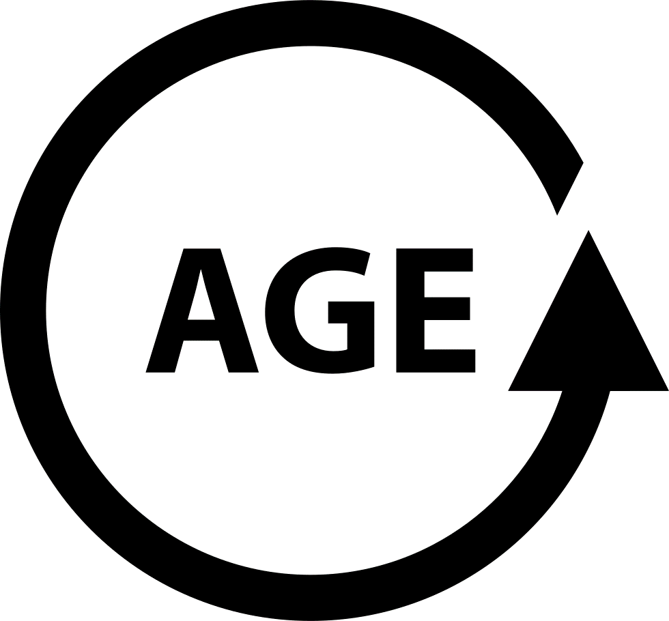
ACTIVE EMPLOYEES

1469
16%
1470
237
1232

Total Employee by Gender
Attirition by Jobe role
Distribution of attrition rates across different departments

 | Total
HR | 63
R&D | 961
Sales | 446

 | 40% | 40%
 | 60% | 60%
 | 40% | 40%
 | 60% | 60%

Education wise attirition
Department wise Attirition
Attirition by Age group
Attirition by Marital Status

 | Total
Associates Degree | 282
Bachelor's Degree | 572
Doctoral Degree | 48
High School | 170
Master's Degree | 398
 | Total
HR | 4.29%
R&D | 65.37%
Sales | 30.34%
 | Total
Over 55 | 11
45 - 54 | 25
Under 25 | 38
35 - 44 | 51
25 - 34 | 112
 | Total
Divorced | 327
Single | 470
Married | 673

Sheet7
Count of Employee Number | Column Labels
Row Labels | Healthcare Representative | Human Resources | Laboratory Technician | Manager | Manufacturing Director | Research Director | Research Scientist | Sales Executive | Sales Representative | Grand Total
Human Resources |  | 21 |  | 6 |  |  |  |  |  | 27
Life Sciences | 60 | 13 | 119 | 40 | 71 | 36 | 133 | 107 | 27 | 606
Marketing |  |  |  | 14 |  |  |  | 122 | 23 | 159
Medical | 48 | 11 | 99 | 32 | 53 | 35 | 103 | 65 | 18 | 464
Other | 9 | 3 | 21 | 5 | 7 | 4 | 17 | 13 | 2 | 81
Technical Degree | 14 | 4 | 19 | 5 | 14 | 5 | 39 | 19 | 13 | 132
Grand Total | 131 | 52 | 258 | 102 | 145 | 80 | 292 | 326 | 83 | 1469
 | Healthcare Representative | Human Resources | Laboratory Technician | Manager | Manufacturing Director | Research Director | Research Scientist | Sales Executive | Sales Representative
Human Resources |  | 21 |  | 6
Life Sciences | 60 | 13 | 119 | 40 | 71 | 36 | 133 | 107 | 27
Marketing |  |  |  | 14 |  |  |  | 122 | 23
Medical | 48 | 11 | 99 | 32 | 53 | 35 | 103 | 65 | 18
Other | 9 | 3 | 21 | 5 | 7 | 4 | 17 | 13 | 2
Technical Degree | 14 | 4 | 19 | 5 | 14 | 5 | 39 | 19 | 13

Human Resources

dashboard1
 | Healthcare Representative | Human Resources | Laboratory Technician | Manager | Manufacturing Director | Research Director | Research Scientist | Sales Executive | Sales Representative
Human Resources |  | 21 |  | 6
Life Sciences | 60 | 13 | 119 | 40 | 71 | 36 | 133 | 107 | 27
Marketing |  |  |  | 14 |  |  |  | 122 | 23
Medical | 48 | 11 | 99 | 32 | 53 | 35 | 103 | 65 | 18
Other | 9 | 3 | 21 | 5 | 7 | 4 | 17 | 13 | 2
Technical Degree | 14 | 4 | 19 | 5 | 14 | 5 | 39 | 19 | 13

